Vishwa Wellness
Sr No | SKU | IMAGE | PRODUCT NAME | CATEGORY | SUB -CATEGORY | TYPE OF PRODUCT (FG / RM / PKG) | DEPARTMENT (DOM / EXP) | BRAND | MRP | DESCRIPTION | GST % | HSN Code | Supplier Code | SUPPLIER NAME | GTIN | Barcode
1 | VG-SUP-TAB-01 |  | Vishwa Samya Tablets | Supplements | Tablets | FG | DOM | Vishwa Wellness | ₹ 399.00 | Bring your digestive system back into balance with Vishwa Samya Tablets, a powerful Ayurvedic formulation fortified with the sacred Agnihotra Ash. Crafted with a blend of Triphala, Senna, Ginger, Erand (Castor), Asafoetida, and Papain, this natural remedy promotes smooth digestion, detoxification, and overall gut health. | 18% | 21069099 | VC-02 | HHC Axioms Pvt Ltd , Belgaum Karnataka | 8906085713588 | 
2 | VG-SUP-TAB-02 |  | Vishwa Dibo Wellness | Supplements | Tablets | FG | DOM | Vishwa Wellness | ₹ 399.00 | Take charge of your health with Vishwa Dibo Wellness Tablets, a powerful Ayurvedic blend fortified with the purifying energy of Agnihotra Ash. Formulated with Karela, Jamun Beej, Gudmar, Ginger, Amla, Neem, Methi, and Zinc, this unique nutraceutical supports healthy blood sugar levels, improves metabolism, and promotes overall wellness. | 18% | 21069099 | VC-02 | HHC Axioms Pvt Ltd , Belgaum Karnataka | 8906085713595 | 
3 | VG-SUP-TAB-03 | 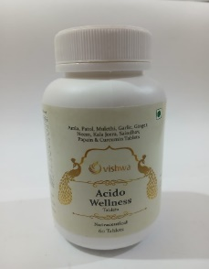 | Vishwa Acido Wellness | Supplements | Tablets | FG | DOM | Vishwa Wellness | ₹ 399.00 | Find natural relief and restore inner balance with Vishwa Acido Wellness Tablets, enriched with the sacred energy of Agnihotra Ash and a blend of time-tested Ayurvedic herbs. Formulated with Amla, Patol, Mulethi, Garlic, Ginger, Neem, Kala Jeera, Saindhav, Papain, and Curcumin, these tablets are designed to support healthy digestion, reduce acidity, and promote overall gastric wellness. | 18% | 21069099 | VC-02 | HHC Axioms Pvt Ltd , Belgaum Karnataka | 8906085713601 | 
4 | VG-SUP-TAB-04 |  | Vishwa Livo Wellness | Supplements | Tablets | FG | DOM | Vishwa Wellness | ₹ 399.00 | Support your liver health naturally with Vishwa Livo Wellness Tablets, a powerful blend of time-honoured Ayurvedic herbs fortified with the sacred healing energy of Agnihotra Ash. Enriched with Bhuiamla, Kutki, Punarnava, Kalmegh, Giloy, Milk Thistle, Dandelion, Sajjikshar, Vitamin E, Sodium Selenate, and Probiotics, this holistic formula is designed to detoxify, protect, and rejuvenate your liver while promoting overall digestive wellness. | 18% | 21069099 | VC-02 | HHC Axioms Pvt Ltd , Belgaum Karnataka | 8906085713618 | 
5 | VG-SUP-TAB-05 | 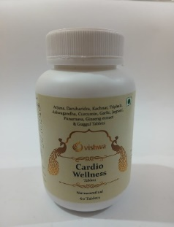 | Vishwa Cardio Wellness | Supplements | Tablets | FG | DOM | Vishwa Wellness | ₹ 399.00 | Take a holistic step toward heart health with Vishwa Cardio Wellness Tablets, a powerful blend of Ayurvedic herbs fortified with the healing energy of Agnihotra Ash. Formulated with Arjuna, Daruharidra, Kachnar, Triphala, Ashwagandha, Curcumin, Garlic, Jaypatri, Punarnava, Ginseng extract, and Guggul, this natural supplement is designed to support cardiovascular function, enhance circulation, and promote overall vitality. | 18% | 21069099 | VC-02 | HHC Axioms Pvt Ltd , Belgaum Karnataka | 8906085713625 | 
6 | VG-SUP-TAB-06 | 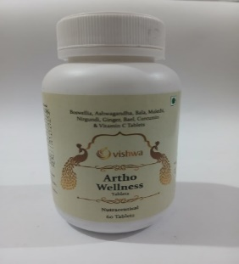 | Vishwa Artho Wellness | Supplements | Tablets | FG | DOM | Vishwa Wellness | ₹ 399.00 | Rediscover strength and mobility with Vishwa Artho Wellness Tablets, a unique Ayurvedic formulation fortified with the healing power of Agnihotra Ash. Blended with Boswellia, Ashwagandha, Bala, Mulethi, Nirgundi, Ginger, Bael, Curcumin, and Vitamin C, these tablets are designed to naturally support joint health, reduce stiffness, and improve flexibility. | 18% | 21069099 | VC-02 | HHC Axioms Pvt Ltd , Belgaum Karnataka | 8906085713632 | 
7 | VG-SUP-TAB-07 | 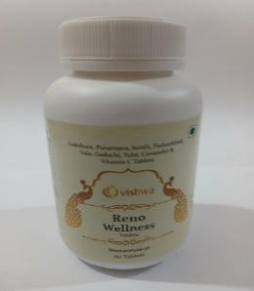 | Vishwa Reno Wellness | Supplements | Tablets | FG | DOM | Vishwa Wellness | ₹ 399.00 | Nurture your renal health naturally with Vishwa Reno Wellness Tablets, a synergistic herbal blend fortified with the divine energy of Agnihotra Ash. Enriched with Gokshura, Punarnava, Sunth, Pashanbhed, Vala, Guduchi, Tulsi, Coriander, and Vitamin C, these tablets are carefully crafted to support kidney function, promote detoxification, and maintain urinary wellness. | 18% | 21069099 | VC-02 | HHC Axioms Pvt Ltd , Belgaum Karnataka | 8906085713649 | 
8 | VG-SUP-TAB-08 | 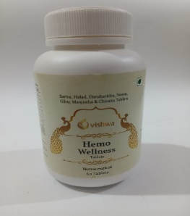 | Vishwa Hemo Wellness | Supplements | Tablets | FG | DOM | Vishwa Wellness | ₹ 399.00 | Support your body’s natural cleansing and rejuvenation with Vishwa Hemo Wellness Tablets, a unique blend of powerful Ayurvedic herbs fortified with the healing energy of Agnihotra Ash. Formulated with Sariva, Halad, Daruharidra, Neem, Giloy, Manjistha, and Chiraita, these tablets are crafted to purify the blood, boost immunity, and promote clear, healthy skin. | 18% | 21069099 | VC-02 | HHC Axioms Pvt Ltd , Belgaum Karnataka | 8906085713656 | 
9 | VG-SUP-TAB-09 | 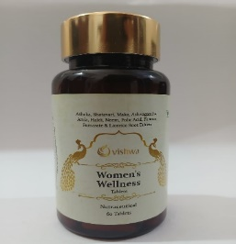 | Vishwa Women's Wellness | Supplements | Tablets | FG | DOM | Vishwa Wellness | ₹ 499.00 | Embrace holistic care with Vishwa Women’s Wellness Tablets, a thoughtfully crafted blend of Ayurvedic herbs and nutrients designed to support women’s health at every stage of life. Enriched with the sacred Agnihotra Ash, this formula harmonizes the body and mind while nurturing vitality, balance, and inner strength. Powered by Ashoka, Shatavari, Maka, Ashwagandha, Amla, Haldi, Neem, Folic Acid, Ferrous Fumarate, and Licorice Root, these tablets provide comprehensive support for hormonal health, immunity, and energy. | 18% | 21069099 | VC-02 | HHC Axioms Pvt Ltd , Belgaum Karnataka | 8906085713663 | 
10 | VG-SUP-TAB-10 | 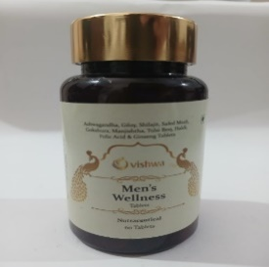 | Vishwa Men's Wellness | Supplements | Tablets | FG | DOM |  | ₹ 499.00 | Take charge of your health with Vishwa Men’s Wellness Tablets, a powerful nutraceutical crafted with time-honoured Ayurvedic herbs and fortified with the sacred Agnihotra Ash. Designed especially for men, this unique blend supports stamina, strength, immunity, and overall vitality. Formulated with Ashwagandha, Giloy, Shilajit, Safed Musli, Gokshura, Manjishtha, Tulsi Beej, Haldi, Folic Acid, and Ginseng, these tablets combine nature’s best with ancient wisdom to help modern men stay energetic and balanced. | 18% | 21069099 | VC-02 | HHC Axioms Pvt Ltd , Belgaum Karnataka | 8906085713670 | 
11 | VG-SUP-TAB-11 | 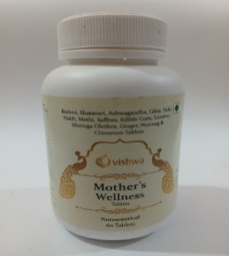 | Vishwa Mother's Wellness | Supplements | Tablets | FG | DOM | Vishwa Wellness | ₹ 399.00 | Specially designed to support women through the journey of motherhood, Vishwa Mother’s Wellness Tablets combine the wisdom of Ayurveda with the purity of nature. Enriched with Brahmi, Shatavari, Ashwagandha, Giloy, Tulsi, Haldi, Methi, Saffron, Edible Gum, Licorice, Moringa Oleifera, Ginger, Nutmeg & Cinnamon, this unique formula provides essential nourishment, strength, and balance for mothers at every stage. Fortified with the powerful energy of Agnihotra Ash, it promotes overall vitality and inner harmony. | 18% | 21069099 | VC-02 | HHC Axioms Pvt Ltd , Belgaum Karnataka | 8906085713687 | 
12 | VG-SUP-TAB-12 | 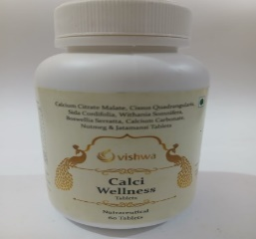 | Vishwa Calci Wellness | Supplements | Tablets | FG | DOM | Vishwa Wellness | ₹ 399.00 | Strengthen your foundation with Vishwa Calci Wellness Tablets, a unique Ayurvedic nutraceutical blend fortified with the sacred Agnihotra Ash. Specially formulated with natural herbs and bioavailable calcium sources, this supplement helps maintain strong bones, flexible joints, and overall musculoskeletal health. Infused with Calcium Citrate Malate, Cissus Quadrangularis, Ashwagandha, Boswellia Serrata, Sida Cordifolia, Calcium Carbonate, Nutmeg, and Jatamansi, it offers holistic nourishment for bones, joints, and overall vitality. | 18% | 21069099 | VC-02 | HHC Axioms Pvt Ltd , Belgaum Karnataka | 8906085713694 | 
13 | VG-SUP-TAB-13 | 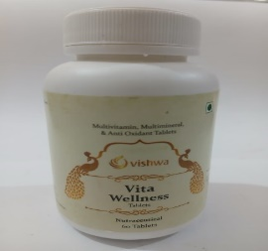 | Vishwa Vita Wellness | Supplements | Tablets | FG | DOM | Vishwa Wellness | ₹ 399.00 | Bring balance and vitality to your everyday life with Vishwa Vita Wellness Tablets – a powerful blend of Multivitamins, Multiminerals, and Antioxidants fortified with the unique healing essence of Agnihotra Ash. Specially formulated with 100% vegetarian and natural herbal ingredients, these tablets provide comprehensive nutritional support to keep you energized, active, and protected from daily stress and oxidative damage. | 18% | 21069099 | VC-02 | HHC Axioms Pvt Ltd , Belgaum Karnataka | 8906085713700 | 
14 | VG-SUP-TAB-14 | 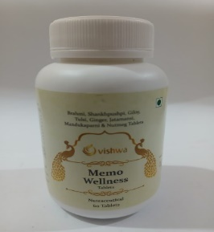 | Vishwa Memo Wellness | Supplements | Tablets | FG | DOM | Vishwa Wellness | ₹ 399.00 | Support your body’s natural cleansing and rejuvenation with Vishwa Hemo Wellness Tablets, a unique blend of powerful Ayurvedic herbs fortified with the healing energy of Agnihotra Ash. Formulated with Sariva, Halad, Daruharidra, Neem, Giloy, Manjistha, and Chiraita, these tablets are crafted to purify the blood, boost immunity, and promote clear, healthy skin. | 18% | 21069099 | VC-02 | HHC Axioms Pvt Ltd , Belgaum Karnataka | 8906085713717 | 
15 | VG-SUP-TAB-15 | 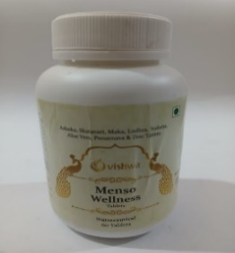 | Vishwa Menso Wellness | Supplements | Tablets | FG | DOM | Vishwa Wellness | ₹ 399.00 | Experience natural support for women’s health with Vishwa Menso Wellness Tablets, enriched with the balancing energy of Agnihotra Ash and a powerful blend of time-honoured Ayurvedic herbs. Formulated with Ashoka, Shatavari, Maka, Lodhra, Praksia, Aloe Vera, Punarnava, and Zinc, these tablets are designed to promote hormonal balance, regulate cycles, and provide comfort during menstruation. | 18% | 21069099 | VC-02 | HHC Axioms Pvt Ltd , Belgaum Karnataka | 8906085713724 | 
16 | VG-SUP-TAB-16 | 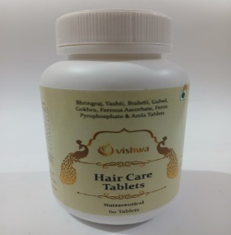 | Vishwa Hair Care Tablets | Supplements | Tablets | FG | DOM | Vishwa Wellness | ₹ 399.00 | Nourish your hair from within with Vishwa Hair Care Tablets, a holistic blend of time-tested Ayurvedic herbs fortified with the unique power of Agnihotra Ash. Enriched with Bhringraj, Yashti, Brahmi, Gulvel, Gokhru, Amla, and natural iron sources like Ferrous Ascorbate & Ferric Pyrophosphate, these tablets are designed to restore your hair’s natural strength, shine, and vitality. | 18% | 21069099 | VC-02 | HHC Axioms Pvt Ltd , Belgaum Karnataka | 8906085713731 | 
17 | VG-SUP-TAB-17 | 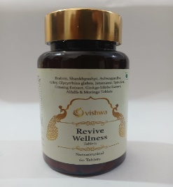 | Vishwa Revive Wellness | Supplements | Tablets | FG | DOM | Vishwa Wellness | ₹ 499.00 | Rediscover balance and vitality with Vishwa Revive Wellness Tablets, a unique nutraceutical blend of time-tested Ayurvedic herbs and natural superfoods. Enriched with the sacred Agnihotra Ash, these tablets are carefully crafted to support overall wellness, enhance immunity, and rejuvenate the body and mind. Formulated with a powerful combination of Brahmi, Shankhpushpi, Ashwagandha, Giloy, Spirulina, Jatamansi, Ginseng, Ginkgo Biloba, Moringa, and Alfalfa, each tablet delivers holistic nourishment for daily health and energy. | 18% | 21069099 | VC-02 | HHC Axioms Pvt Ltd , Belgaum Karnataka | 8906085713748 | 
18 | VG-SUP-TAB-18 | 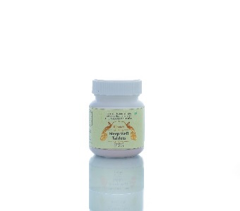 | Sleep Well Tablet | Supplements | Tablets | FG | DOM | Vishwa Wellness | ₹ 339.00 |  | 5% | 21069099 | VC-02 | HHC Axioms Pvt Ltd , Belgaum Karnataka | 8906085716787 | 
19 | VG-SUP-PWD-01 | 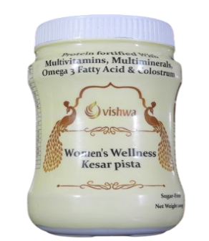 | Women's Wellness - Kesar Pista | Supplements | Powder | FG | DOM | Vishwa Wellness | ₹ 449.00 |  | 5% | 21061000 | VC-02 | HHC Axioms Pvt Ltd , Belgaum Karnataka | 8906085716794 | 
20 | VG-SUP-PWD-02 | 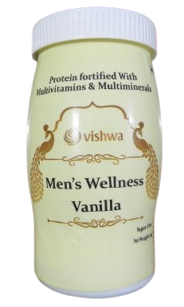 | Men's Wellness - Vanilla | Supplements | Powder | FG | DOM | Vishwa Wellness | ₹ 449.00 |  | 5% | 21061000 | VC-02 | HHC Axioms Pvt Ltd , Belgaum Karnataka | 8906085716800 | 
21 | VG-SUP-PWD-03 | 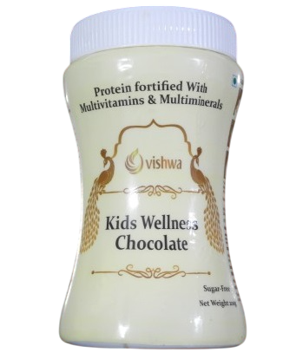 | Kids Wellness - Chocolate | Supplements | Powder | FG | DOM | Vishwa Wellness | ₹ 449.00 |  | 5% | 21061000 | VC-02 | HHC Axioms Pvt Ltd , Belgaum Karnataka | 8906085716817 | 
22 | VG-SUP-TAB-19 | 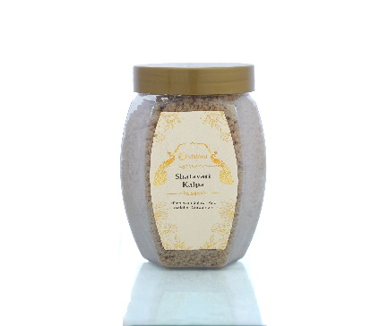 | Shatavari kalpa (250 grams ) | Supplements | Powder | FG | DOM | Vishwa Wellness | ₹ 199.00 |  | 5% |  |  |  | 8906085716824 | 

